1.3.37 vs 1.3.38
Priority | 1.3.37 Version | 1.3.38 Version
High | 1 | 2
Medium | 3 | 4
Low | 15 | 15

Bug Delta 1.3.37 VS 1.3.38

MirAIe BLE Test Cases
Sr. No. | Scenario | Precondition | Steps | Test Case | Expected Result | Actual Result | Remarks
1 | Onboarding Using QR Code Scan | User having Panasonic Matter/MirAIe BLE Enabled AC | Click on Plus Button > Scan QR Code | User must ask to Accept permission for Camera | User must able to see camera permission notification like Allow MirAIe to take pictures and record video ? With permission like While using the app, only this time and Don’t Allow | Pass
1.1 |  | User having Panasonic Matter/MirAIe BLE Enabled AC | Click on Plus Button > Scan QR Code>Select Permission While using this app | User accepted While using the app | User must able to move next Screen SetUp Device | Pass
1.2 |  | User having Panasonic Matter/MirAIe BLE Enabled AC | Click on Plus Button > Scan QR Code>Select Permission Only this time | User accepted Only this time | User must able to move next Screen SetUp Device | Pass
1.3 |  | User having Panasonic Matter/MirAIe BLE Enabled AC | Click on Plus Button > Scan QR Code>Select Permission Don’t Allow | User accepted Don’t Allow | User must able to see Message "Camera Permission missing" Camera permission required to be able to scan the QR code . Click on Try again text | Pass
1.4 |  | User having Panasonic Matter/MirAIe BLE Enabled AC | Click on Plus Button > Scan QR Code | QR Code must be Scan | User must move to next screen SetUp Device | Pass
1.5 |  | User having Panasonic Matter/MirAIe BLE Enabled AC | Click on Plus Button > Scan QR Code>Setup Device Screen | Set Up device page | User must See below a. Title Bar with SetUp Device Text b. MirAIe Logo c. Setup your new device d. Home Details f. Getting ready to pair g. WiFi , Location , Internet and Bluetooth Enable or Disable Status h. if All are enable then show Add device button | Pass
1.6 |  | User having Panasonic Matter/MirAIe BLE Enabled AC | Click on Plus Button > Scan QR Code>Setup Device Screen> Add device | SetUp Device Instruction Screen | User must able to see Instructions to keep device in Onboarding State "Press the Smart button on remote" Press the Smart button for 5 seconds to bring the AC into setup mode.(Blinking Wi-FI icon and the SE text on the AC display confirms the AC in setup mode) | Pass
1.7 |  | User having Panasonic Matter/MirAIe BLE Enabled AC | Click on Plus Button > Scan QR Code>Setup Device Screen> Add device | SetUp Device Instruction Screen | Continue Button on Instruction page must be in disable state untill user not press Smart WiFI from Remote | Pass
1.8 |  | User having Panasonic Matter/MirAIe BLE Enabled AC | Click on Plus Button > Scan QR Code>Setup Device Screen> Add device > One Device BLE Advertising | User move to Select WiFi Network Screen | User must able see to page consist of Select WiFi Network Screen with WiFI Name and Password enter editor box | Pass
1.9 |  | User having Panasonic Matter/MirAIe BLE Enabled AC | Click on Plus Button > Scan QR Code>Setup Device Screen> Add device > Two Device BLE Advertising | Scanning device screen showing 2 device on UI . User can select required device | After user select desired device , User must move to next screen Select WiFi Network Screen | Pass
1.1 |  | User having Panasonic Matter/MirAIe BLE Enabled AC | Click on Plus Button > Scan QR Code>Setup Device Screen> Add device > One Device BLE Advertising | User on Select WiFi Network Screen and Press Exit button | User must able to see exit dialogue . Click on Yes user must land to Dashboard and Click on No user must be on Select WiFi Network Screen | Pass
1.11 |  | User having Panasonic Matter/MirAIe BLE Enabled AC | Click on Plus Button > Scan QR Code>Setup Device Screen> Add device > One Device BLE Advertising | User on Select WiFi Network Screen page with components showing | a. Title Bar must show Title Select Wi-Fi Network b. Device Name c. Text "Select a 2.4GHz Wi-Fi network for your device to connect to d. WiFi name Text with SSID drop down list e. Password Text wirh input box to enter password and Eye symbol to show/hide password f. Instructions for WiFi conditions in Blue Coloured Highlighted g. Next Button with Next Text in White and Blue Button h. Exit Button in Blue Text Highlighted | Pass | 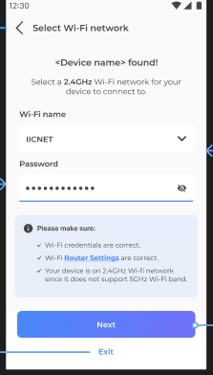
1.12 |  | User having Panasonic Matter/MirAIe BLE Enabled AC | Click on Plus Button > Scan QR Code>Setup Device Screen> Add device > One Device BLE Advertising>User Click on Next button on Select WiFi Network | Onboarding progress screen | Onboarding Progress screen must show a. Connect Device Title Bar b. Text Setting Up your Air conditioner… c. Progress Circular UI | Pass | 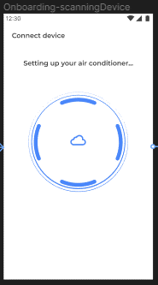
1.13 |  | User having Panasonic Matter/MirAIe BLE Enabled AC | Click on Plus Button > Scan QR Code>Setup Device Screen> Add device > One Device BLE Advertising>User Click on Next button on Select WiFi Network>Onboarding progress screen | User trying to press back button | User must not see App back button on Title Bar and user not able to press mobile back button | Pass
1.14 |  | User having Panasonic Matter/MirAIe BLE Enabled AC | Click on Plus Button > Scan QR Code>Setup Device Screen> Add device > One Device BLE Advertising>User Click on Next button on Select WiFi Network>Onboarding progress screen | Onboarding sucessful Page | After successful onboarding /commissioning user must able to see below components a. Title Bar with Connect device Text b. Device Successfully added Text c. Blue filled circle with Right White colour Tick d. Add another device Button e. Done Button | Pass
1.15 |  | User having Panasonic Matter/MirAIe BLE Enabled AC | Click on Plus Button > Scan QR Code>Setup Device Screen> Add device > One Device BLE Advertising>User Click on Next button on Select WiFi Network>Onboarding progress screen | User click on Add Another Device Button | Application must take user to QR Code Scan Screen | Pass
1.16 |  | User having Panasonic Matter/MirAIe BLE Enabled AC | Click on Plus Button > Scan QR Code>Setup Device Screen> Add device > One Device BLE Advertising>User Click on Next button on Select WiFi Network>Onboarding progress screen | User click on Done | Application must take user Dashboard and User must able to see commissioned/Onboarded AirConditioner | Pass

2 | Onboarding Using Add by Device Type | User having Panasonic Matter/MirAIe BLE Enabled AC | Click on Plus Button > User Select Add by Device Type | Dialogue must show to user | Dialogue must contains a. QR Code dummy image b. Can't find QR code ? Text with you can find the QR code on your device or its packing c.Scan QR Code Button [Blue Highlighted button with White Text] d. Continue with device type Button | Pass | 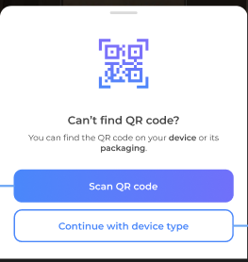
2.1 |  | User having Panasonic Matter/MirAIe BLE Enabled AC | Click on Plus Button > User Select Add by Device Type | User click on Scan QR Code | Application must take user to QR Code Scan Page | Pass
2.2 |  | User having Panasonic Matter/MirAIe BLE Enabled AC | Click on Plus Button > User Select Add by Device Type | User click on Continue with Device Type Button | Application must show user Bottom Sheet with device Type like Appliances , Electrical and other | Pass
2.3 |  | User having Panasonic Matter/MirAIe BLE Enabled AC | Click on Plus Button > User Select Add by Device Type | User on Setup Device Page | User must See below a. Title Bar with SetUp Device Text b. MirAIe Logo c. Setup your new device d. Home Details f. Getting ready to pair g. WiFi , Location , Internet Enable or Disable Status h. if All are enable then show Add device button | Pass
2.4 |  | User having Panasonic Matter/MirAIe BLE Enabled AC | Click on Plus Button > User Select Add by Device Type | Onboarding | It would be similar to our current journey | Pass

3.1 | Wifi password is saved and pre-populated |  | Login > Click on plus icon in Dashboard > Scan QR code / Enter manual Setup code > Observe | a. User should land back to wifi screen b. WiFi password should be pre populated for second onboarding/Commissioning c. User should land back to Dashboard once user clicks on "Cancel" button in Wifi settings screen | a. User should land back to wifi screen b. WiFi password should be pre populated for second onboarding/Commissioning c. User should land back to Dashboard once user clicks on "Cancel" button in Wifi settings screen | Pass
4.1 | LOTA -Device settings screen | Firmware version should be lower than available on Cloud | Login > RAC added in Account with lower firmware Version>User on Device Setting Page > Click on Manual Update Button >Follow Instuction for Update LOTA | a. User should able to see available version on Device Settings Page b. User should able to update Firmware via LOTA | a. User must able to see updated version b. User must able to successfully update firmware c. After update firmware it must need to show on Device Settings page | Pass
4.2 | LOTA -Onboarding >Firmware Update Pop Up | Firmware version should be lower than available on Cloud | RAC Onboarded Sucessfully > Firmware Update Pop Up> User click on Firmware Update Pop Up > Follow Instruction for Update LOTA | a. User must able to see LOTA Update Pop up if Firmware version lower b. User should abe to update firmware via LOTA | b. User must able to successfully update firmware c. After update firmware it must need to show on Device Settings page | Pass
4.3 | LOTA -App settings screen | Firmware version should be lower than available on Cloud | Setting > Upgrade Firmware > Scan QR Code | a.User must start LOTA from App setting page | a. User must able to update firmware via LOTA Succesfully after following instructions | Pass

Push Notification
Product / Feature | Use Case | Notifications Contents | Landing Page | Pass/Fail
Refrigerator | Fridge/Freezer Door Open | Title Fridge/Freezer Door Open Body Your fridge/freezer door is open. Please ensure to close the door firmly and protect your food from spoiling. | Refrigerator Details Page | Pass
Refrigerator | Power Outage | Title Power Outage Body Your refrigerator power supply was interrupted. Check the quality of Refrigerator content before consuming. | Refrigerator Details Page | Pass
Airconditioner , Smart Profile | Rule Notification for AC and Smart Profile | Title Rule activation successful Body Rule '<ruleName>' activated successfully. Tap to see the rule. | Sleep Profile page | Pass
Washing Machine -FLWM | Washing Completed | Title Washing Completed Body Washing completed. Please do not keep washed out clothes for long in the washing machine. | Wash Progress Page | Pass
Washing Machine -FLWM | Washing Paused/Stopped | Title Washing Completed Body <Device Name>: Current wash cycle is paused/Stopped | Wash Progress Page | Pass
Washing Machine -TLWM | Washing Completed | Title Washing Completed Body Washing completed. Please do not keep washed out clothes for long in the washing machine. | Wash Progress Page | Pass
Washing Machine -TLWM | Washing Paused/Stopped | Title Washing Paused/Stopped Body <Device Name>: Current wash cycle is paused/Stopped | Wash Progress Page | Pass
Washing Machine -TLWM | Washing Paused -Auto Pause [After Soak] | Title Washing Paused Body <Device Name>: paused After Soak | Wash Progress Page | Pass
Washing Machine -TLWM | Washing Paused -Auto Pause [After Wash] | Title Washing Paused Body <Device Name>: paused After Wash | Wash Progress Page | Pass
Washing Machine -TLWM | Washing Paused -Auto Pause [After Rinse 1] | Title Washing Paused Body <Device Name>: paused After Rinse 1 | Wash Progress Page | Pass
Washing Machine -TLWM | Washing Paused -Auto Pause [Before last Rinse] | Title Washing Paused Body <Device Name>: paused Before Last Rinse | Wash Progress Page | Pass
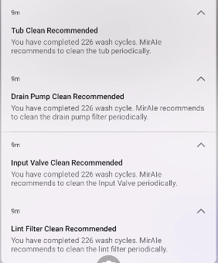
Washing Machine -TLWM | Drain Pump Clean Recommended | Title Drain Pump Clean Recommended Body You have completed … wash cycle. MirAIe recommends to clean the drain pump filter periodically. | Landing Page [Home Screen] | NT
Washing Machine -TLWM | Tub Clean Recommended | Title Tub Clean Recommended Body You have completed… wash cycle . MirAIe recommends to clean the Tub periodically. | Landing Page[Setting>Clean Tub] | NT
Washing Machine -TLWM | Input Valve Clean Recommended | Title Input Valve Clean Recommended Body You have completed.. Wash cycle. MirAie recommended to clean the Input Valve periodically. | Landing Page[Setting>Clean Input Valve] | NT
Washing Machine -TLWM | Lint filter Clean Recommended | Title Lint filter Clean Recommended Body You have completed.. Wash cycle. MirAie recommended to clean the lint filter periodically. | Landing Page[Setting>Clean Lint Fitler] | NT
VDP | Bell Ring | Title Button Pressed Body Some rang the front door bell .Tap to know who | VDP Details Page | NT
VDP | Motion Detection | Title Pir Triggered Body A motion is detected by your door bell | VDP Details Page | NT
VDP | Battery Low | Title Battery Low Body Your door bell is discharging fast. Please plug it to a power source to avoid disconnection . | VDP Details Page | NT
VDP | Temper Alert | Title Temper Alert! Body Your door bell is being removed, if its not you then someone is trying to temper . | VDP Details Page | NT
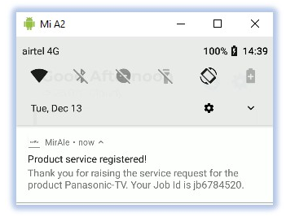 E-Warranty | Raise a Service Request | Title Product service registered! Body Thank you for raising the service request for the product Panasonic TV . Your Job id is jd6784520 | Home/Dashboard | Fail | 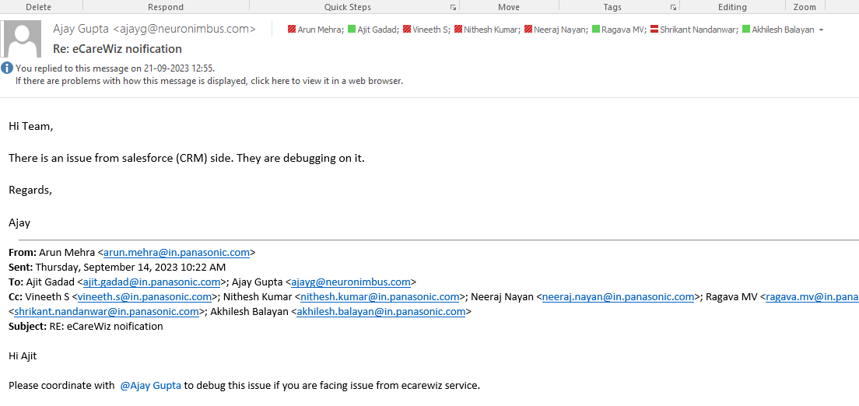
E-Warranty | Warranty Expiry | Title Warranty expiring soon... Body Warranty on your Product Model:Panasonic CU-YN18WKYM with Serial No : SN777XXXXXXXXXXX is expiring 31/12/2022 . Extend your warranty to enjoy the hassle free experience. | Home/Dashboard | NA
E-Warranty | Product Registration | Title Product registered! Body Your Product Model CU-YN18WKYM with Serial No : SNXXXXXXXXXX is registered with us. | Home/Dashboard | Pass
E-Warranty | Product Birthday reminder | Title Best wishes! Body Happy birthday to your Product Model> Panasonic CU-YN18WKYM with Serial No: SNXXXXXXXXXX. | Home/Dashboard | NA

